Sheet1


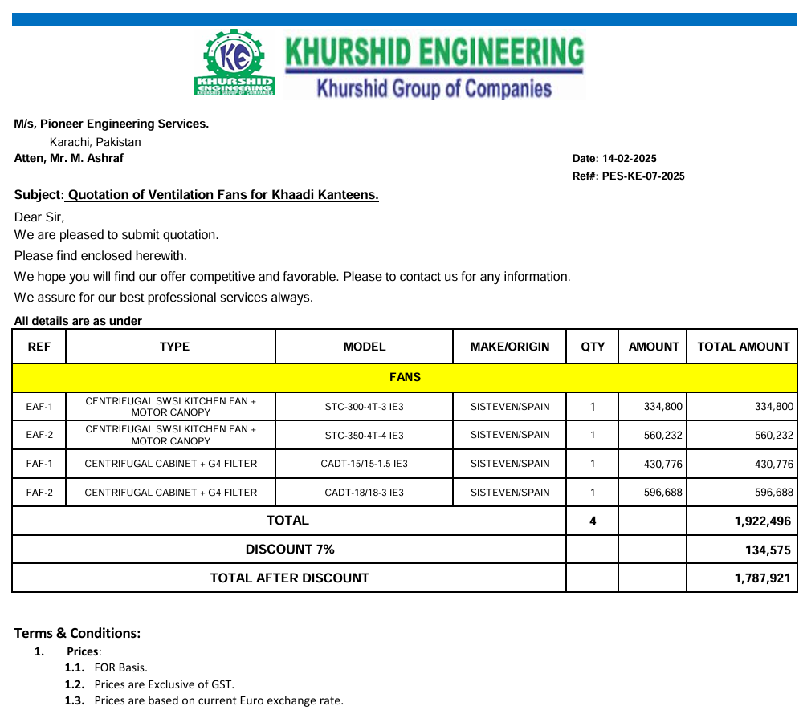
M/S IK Associates |  |  |  |  |  |  |  | 2025-03-19

Project: Khaadi Kanteen F-6, Islamabad

Attn: Salman Mughal
Variation # 3
Supply & installation of Exhaust Fans
S. # | Description | Material Rate | Labour Rate | Over Head profit 28% | Total Rate | Unit | Qty | Amount
1 | Supply and installation of centrifugal Kitchen Fan with Motor Canopy Make: SISTEVEN Model: STC-300-4T-3 IE3 | 395,064 | 25,000 | 117,618 | 537,682 | No | 1 | 537,682 | 466,175.52
2 | Supply and installation of Centrifugal Kitchen Fan with Motor Canopy Make: SISTEVEN Model: STC-350-4T-4 IE3 | 661,074 | 35,000 | 194,901 | 890,974 | No | 1 | 890,974 | 780,067.04
3 | Supply and installation of Centrifugal Fan with G4 Filter. Make: SISTEVEN Model: CADT-15/15-1.5 IE3 | 508,316 | 25,000 | 149,328 | 682,644 | No | 1 | 682,644 | 599,812.50
4 | Supply and installation of Centrifugal Fan with G4 Filter. Make: SISTEVEN Model: CADT-18/18-3 IE3 | 704,092 | 40,000 | 208,346 | 952,438 | No | 1 | 952,438 | 830,828.37
5 | Supply and installation of hangers and supports. | 100,000 | 15,000 | 32,200 | 147,200 | No | 1 | 147,200 | 118,000.00
6 | Transportation cost. |  | 75,000 | 21,000 | 96,000 | Job | 1 | 96,000
Total Amount Rs. |  |  |  |  |  |  |  | 3,306,938

Note: Supplier's quotation attached

For PIONEER ENGINEERING SERVICES.

Bilal Habib

